Final Analysis
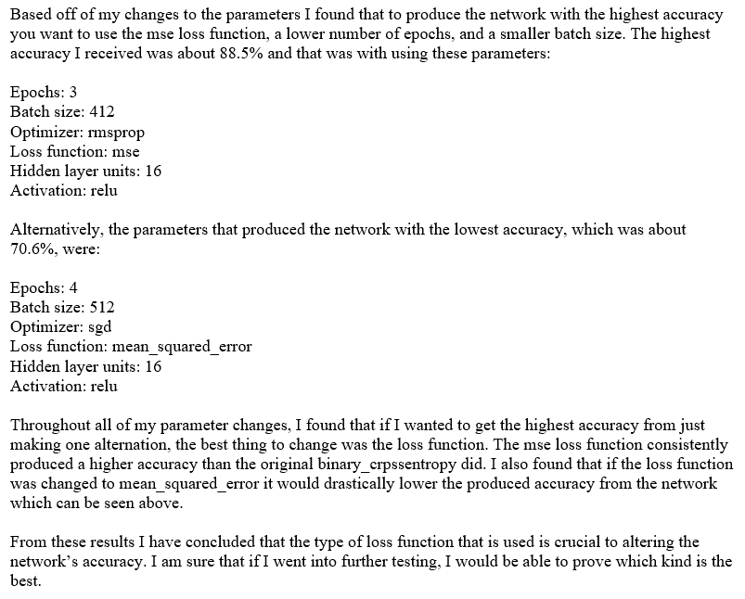
Change # | Results | Rank #
14 | [0.08466435901403427, 0.88536] | 1
5 | [0.08531691110730172, 0.88416] | 2
13 | [0.08884503876566886, 0.88] | 3
7 | [0.32564992758750916, 0.8766] | 4
10 | [0.3332366373825073, 0.87564] | 5
6 | [0.09534805324316024, 0.8754] | 6
2 | [0.34242769993782046, 0.8742] | 7
12 | [0.09615927561461926, 0.87248] | 8
Original | [0.3260993407535553, 0.87152] | 9
11 | [0.09663559941887856, 0.86932] | 10
1 | [0.4403558633089066, 0.86436] | 11
9 | [0.40626253119945527, 0.86184] | 12
8 | [0.5144256240272522, 0.8562] | 13
3 | [0.5922128061103821, 0.76588] | 14
4 | [0.2226538383579254, 0.70588] | 15

* Change # represents the numbered time I
changed the parameters

* Rank # represents the rank of accuracies
from highest to lowest

